Sheet1
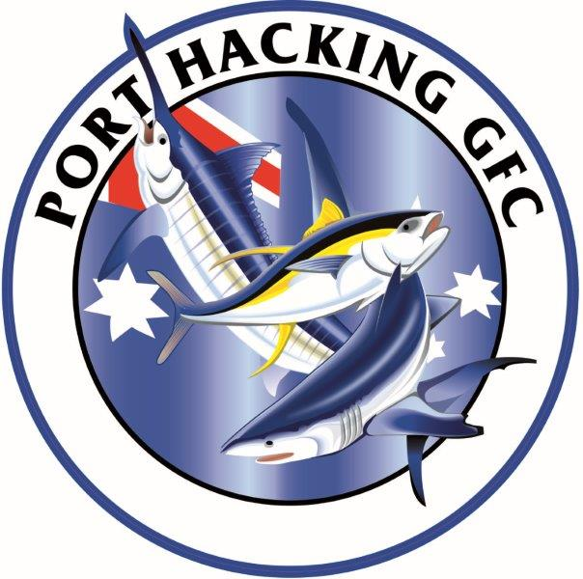
Port Hacking Game Fishing Club
2026/2027 Calendar
July 2026 to June 2027

 |  |  | 2026 |  |  |  | 2027
 |  | AUG | SEPT | OCT | NOV | DEC | JAN | FEB | MAR | APR | MAY | JUN | JUL | AUG

PHGFC CALENDAR

 | CLUB CHRISTMAS PARTY |  |  |  | 14
 | PORT STEPHENS PRAWN DAY |  |  |  |  |  |  | 18
 | PHGFC SEASON PRESENTATION | 22 |  |  |  |  |  |  |  |  |  |  |  | 14
 | AGM | 27 |  |  |  |  |  |  |  |  |  |  |  | 26
 | SEASON LAUNCH TUNA Tournament 1st July till 25th Sep |  | 26 presso
 | MEMBERS MEETINGS (Thursday nights every scond month) |  | 26 presso |  | 26 |  | 28 |  | 25 |  | 27 |  | 29

POINT SCORE DAYS
 | CHOICE OF SATURDAY OR SUNDAY |  | 5,6-19,20 | 3,4-17,18 | 7,8-21,22 | 5,6-19,20 | 9,10-23,24 | 6,7-20,21 | 6,7-21,22 | 10,11-24,25 | 1,2-15,16 | 5,6-19,20
 | CZ Tournament entrys can fish both days. |  |  |  |  |  |  |  |  |  |  | 20,21
 | Port Stephens INTERCLUB |  |  |  |  |  |  | 26,27,28

TOURNAMENTS

 | SHELLHARBOUR TOURNAMENT |  |  |  |  |  |  |  | 19,20,21
CZ 1 | SYDNEY GEOFF WOOLLEY MAKO COMP |  | TBC
CZ 2 | LORD HOWE ISLAND - FISH TO AND FROM HOME PORT |  |  |  | TBC
CZ 3 | BOTANY BAY BILL HEYWARD MEMORIAL |  |  |  |  |  |  | 6,7
CZ 4 | CENTRAL COAST BLUE WATER CLASIC |  |  |  |  |  | 17,18
CZ 5 | BROKEN BAY INVITATIONAL |  |  |  |  |  |  |  | 13,14
CZ 6 | SYDNEY PETER GOADBY MEMORIAL |  |  |  |  |  |  |  |  | 3,4
CZ 7 | PAUL BARNING MEMORIAL PORT HACKING 100 |  |  |  |  |  |  |  |  | 17,18 | 2,3 backup
 | SHIMANO PORT HACKING junior small fry Classic |  |  |  | 14
 | PORT STEPHENS
 | N&PSGFC SHOOTOUT - PORT STEPHENS |  |  |  |  |  |  | 19,20,21
 | NSWGFA INTERCLUB PORT STEPHENS |  |  |  |  |  |  | 26,27,28

 | NSW GFA AGM |  |  |  |  |  |  |  |  |  |  |  | 17,18

 | Any questions - call Club President Daniel Bryant 0424460268

